Sheet1
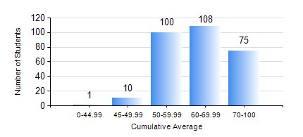
 |  |  | KWAME NKRUMAH UNIVERSITY OF SCIENCE AND TECHNOLOGY, KUMASI Department of Civil Engineering

 |  |  | BSC. CIVIL ENG.

 |  |  | COMPREHENSIVE RECORD OF EXAMINATION RESULTS

 |  |  | RESULTS OF YEAR 2 SECOND SEMESTER, 2022/2023 ACADEMIC YEAR

 | Sn | Course Code |  | Course Name | Credit Hours | Min. Mark | Max. Mark | Avg. Mark | Std. Dev. | No. Passed | No. Trailed | No. (Df) | No. (I) | No. (I*) | No. Tagged(I,I*,Df) | Total
 | 0. |  |  |  |  |  |  | 0 | 0 | 0 | 0 | 0 | 0 | 0 | 0 | 22
 | 1. | CE 256 |  | FLUID MECHANICS | 3 | 23 | 94 | 63 | 15.7 | 257 | 14 | 0 | 1 | 0 | 1 | 272
 | 2. | CE 258 |  | STRUCTURAL ANALYSIS | 3 | 8 | 100 | 57 | 18.32 | 255 | 16 | 0 | 1 | 0 | 1 | 272
 | 3. | CE 260 |  | SOIL AND ROCK MECHANICS | 2 | 16 | 96 | 66 | 17.01 | 265 | 7 | 0 | 0 | 0 | 0 | 272
 | 4. | CE 262 |  | SOIL AND ROCKS MECHANICS LABORATORY | 1 | 19 | 83 | 65 | 8.88 | 268 | 1 | 2 | 1 | 0 | 3 | 272
 | 5. | CE 264 |  | INTRODUCTION TO ENVIRONMENTAL ENGINEERING | 2 | 40 | 77 | 55 | 8.79 | 272 | 0 | 0 | 0 | 0 | 0 | 272
 | 6. | CE 272 |  | PRINCIPLE OF DESIGN | 2 | 54 | 87 | 74 | 6.45 | 272 | 0 | 0 | 0 | 0 | 0 | 272
 | 7. | GE 282 |  | LARGE SCALE SURVEYING | 4 | 21 | 94 | 61 | 15.76 | 263 | 8 | 0 | 1 | 0 | 1 | 272
 | 8. | MATH 252 |  | CALCULUS WITH SEVERAL VARIABLES | 4 | 20 | 87 | 59 | 10.54 | 271 | 1 | 0 | 0 | 0 | 0 | 272

